Sheet 1 - PEP (1)
PEP
Date | Open | High | Low | Close | Adj Close | Volume
2022-12-12 | 184.17999 | 186.84000 | 178.39000 | 180.34000 | 175.30739 | 37554700
2022-12-19 | 180.86000 | 183.67999 | 178.92000 | 182.26000 | 177.17383 | 18436200
2022-12-26 | 183.28000 | 184.53999 | 179.28999 | 180.66000 | 175.61848 | 11424700
2023-01-02 | 180.59000 | 181.83000 | 176.57001 | 181.10001 | 176.04620 | 17269000
2023-01-09 | 180.44000 | 182.77000 | 174.17000 | 175.24001 | 170.34973 | 20473400
2023-01-16 | 176.14999 | 177.55000 | 167.46001 | 169.88001 | 165.13931 | 20564700
2023-01-23 | 170.01000 | 171.98000 | 168.45000 | 169.62000 | 164.88657 | 23428600
PepsiCo, Inc. Market Summary
2023-01-30 | 169.78000 | 172.32001 | 167.05000 | 169.12000 | 164.40050 | 24966700
2023-02-06 | 169.74001 | 176.59000 | 169.26000 | 176.20000 | 171.28293 | 33167400
2023-02-13 | 176.26000 | 178.23000 | 174.53999 | 176.28000 | 171.36072 | 23458900
2023-02-20 | 175.58000 | 177.42999 | 174.28999 | 175.96001 | 171.04962 | 17857300
2023-02-27 | 176.97000 | 177.25000 | 169.12000 | 173.14999 | 168.31804 | 20988100
2023-03-06 | 172.22000 | 174.36000 | 170.96001 | 172.03000 | 168.35938 | 18798500
2023-03-13 | 172.76000 | 177.23000 | 171.57001 | 175.13001 | 171.39322 | 35434700
2023-03-20 | 176.50000 | 179.37000 | 175.02000 | 179.09000 | 175.26872 | 20929200
2023-03-27 | 179.58000 | 182.49001 | 179.31000 | 182.30000 | 178.41025 | 18647400
2023-04-03 | 181.89999 | 184.96001 | 180.39999 | 184.36000 | 180.42630 | 14424700
2023-04-10 | 183.83000 | 184.61000 | 181.69000 | 183.51000 | 179.59441 | 16492200
2023-04-17 | 184.19000 | 186.38001 | 183.48000 | 185.41000 | 181.45387 | 15522900
2023-04-24 | 186.50000 | 191.62000 | 185.02000 | 190.89000 | 186.81696 | 23435500 | Compared to PepsiCo, Inc.'s market summary that google provides.
2023-05-01 | 190.45000 | 194.48000 | 189.75000 | 194.27000 | 190.12482 | 18653700
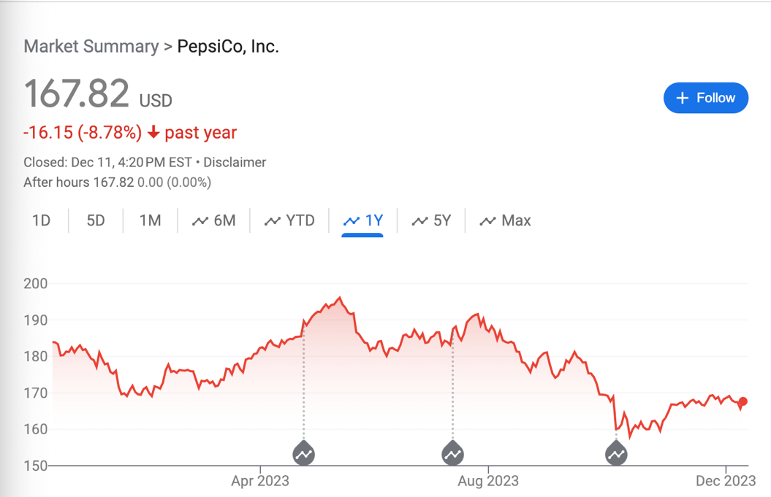
2023-05-08 | 193.39999 | 196.22000 | 192.64999 | 196.12000 | 191.93536 | 16120400
2023-05-15 | 196.57001 | 196.88001 | 190.41000 | 191.84000 | 187.74667 | 21220700
2023-05-22 | 191.19000 | 191.39000 | 181.95000 | 183.58000 | 179.66293 | 25052300
2023-05-29 | 182.06000 | 184.62000 | 180.70000 | 184.06000 | 180.13268 | 34312100
2023-06-05 | 183.85001 | 186.17000 | 179.33000 | 182.35001 | 179.70583 | 20686200
2023-06-12 | 182.49001 | 187.59000 | 180.69000 | 186.03999 | 183.34230 | 23856300
2023-06-19 | 186.53999 | 188.00000 | 184.19000 | 186.07001 | 183.37189 | 18765600
2023-06-26 | 186.16000 | 186.74001 | 181.39000 | 185.22000 | 182.53421 | 28068500
2023-07-03 | 184.30000 | 186.75000 | 183.03000 | 183.08000 | 180.42525 | 19568100
2023-07-10 | 184.07001 | 188.63001 | 182.42000 | 188.21001 | 185.48085 | 28194200
2023-07-17 | 186.34000 | 191.47000 | 183.82001 | 190.16000 | 187.40257 | 35540200
2023-07-24 | 190.59000 | 192.38001 | 188.39999 | 190.31000 | 187.55039 | 21390400
2023-07-31 | 189.45000 | 189.97000 | 184.35001 | 184.60001 | 181.92320 | 20335300
2023-08-07 | 185.28000 | 187.48000 | 182.63001 | 184.03999 | 181.37131 | 19354100
2023-08-14 | 184.39000 | 184.86000 | 177.27000 | 178.17999 | 175.59628 | 19874400
2023-08-21 | 177.73000 | 180.44000 | 175.31000 | 179.42000 | 176.81830 | 22238800
2023-08-28 | 180.82001 | 182.26000 | 174.64000 | 175.32001 | 172.77777 | 21078900
2023-09-04 | 175.27000 | 177.14999 | 173.48000 | 176.27000 | 174.93607 | 18944900
2023-09-11 | 176.83000 | 181.82001 | 176.83000 | 179.84000 | 178.47903 | 27399500
2023-09-18 | 181.00000 | 181.00000 | 174.37000 | 175.27000 | 173.94363 | 20141000
2023-09-25 | 174.67999 | 175.44000 | 168.03999 | 169.44000 | 168.15775 | 24533000
2023-10-02 | 169.08000 | 170.00000 | 155.83000 | 160.28999 | 159.07698 | 36173300
2023-10-09 | 160.00000 | 165.44000 | 157.42999 | 160.00000 | 158.78919 | 41853600
2023-10-16 | 161.00000 | 163.39999 | 159.16000 | 160.00000 | 158.78919 | 30489500
2023-10-23 | 159.60001 | 163.50000 | 158.89000 | 159.62000 | 158.41206 | 25820600
2023-10-30 | 161.30000 | 168.81000 | 160.74001 | 166.78999 | 165.52780 | 26732200
2023-11-06 | 165.46001 | 168.34000 | 164.86000 | 166.92000 | 165.65682 | 26590600
2023-11-13 | 167.00000 | 170.00000 | 165.77000 | 166.76000 | 165.49803 | 28221900
2023-11-20 | 166.00000 | 170.02000 | 165.72000 | 169.37000 | 168.08827 | 13853500
2023-11-27 | 169.70000 | 169.76000 | 164.82001 | 168.69000 | 167.41342 | 24683800
2023-12-04 | 168.39999 | 169.92000 | 165.27000 | 165.67999 | 165.67999 | 24653400
2023-12-11 | 167.44000 | 168.13001 | 166.46001 | 167.78999 | 167.78999 | 4073944

